Data
Item | Energy Use (quadrillion BTU/yr)
Waste heat recovery
 | Cement | Clinker
Total demand for energy in 2050 | 75325 | 421415820
Units | kWh*1000000 | kcal*1000000
Conversion factor (to PJ) | 3.60E-09 | 4.18E-12
In PJ | 271.17 | 1.76E+03
Total (cement + clinker) | 2032.69
Total savings | 29.5
Percentage savings | 1.45%

Cogeneration | 4%

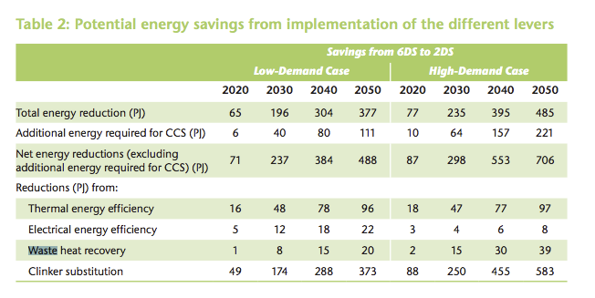
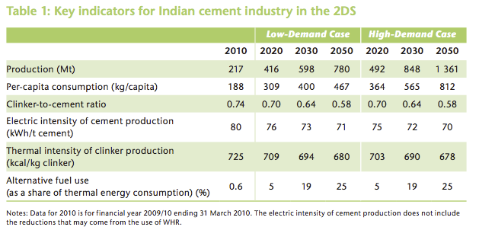

"CHP can reduce CO2 emissions arising from new generation in 2015 by more than 4% (170 Mt / year), while in 2030 this saving increases to more than 10% (950 Mt / year) – equivalent to one and a half times India’s total annual emissions of CO2 from power generation. "
Source: https://www.iea.org/publications/freepublications/publication/chp_report.pdf

 |  |  | 1761.5181276

Source: https://shaktifoundation.in/wp-content/uploads/2017/06/PAT-Pulse-II_May-2016_for-website1.pdf
Page 10

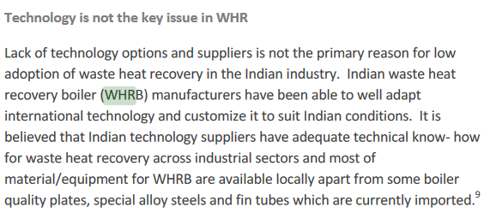

Source: https://shaktifoundation.in/wp-content/uploads/2017/06/PAT-Pulse-II_May-2016_for-website1.pdf
Page 12

